Worksheet
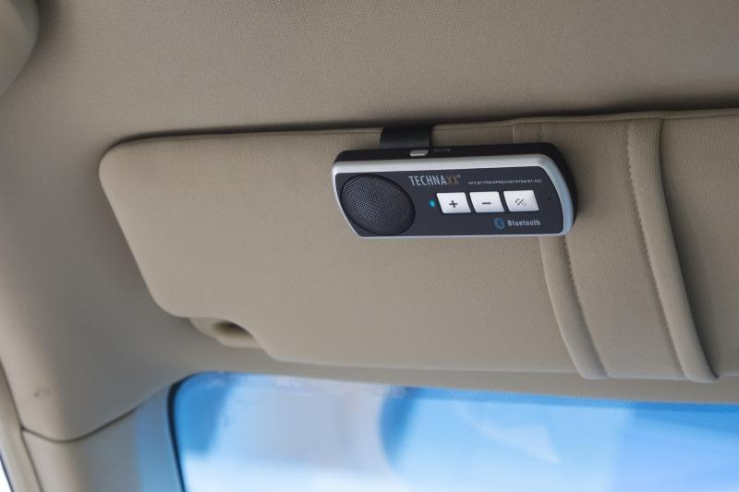
Technaxx Car Bluetooth Handsfree System BT-X22

Item number | 4614 |  | VE | 50
EAN | 4260358121055 |  | Pieces per pallet | 1000
Customs number | 85182100 |  | Layers per pallet | 5
UPC | 810016320029
Dimensions - item
Length(inch) | Width(inch) | Height(inch) | Weight(oz)
4.65 | 1.77 | 0.71 | 1,76

Dimensions - item packaging
Length(inch) | Width(inch) | Height(inch) | Tare(oz) | Weight(oz) product + packaging
4.92 | 1.97 | 6.5 | 0,99 | 6,00

Dimensions - VE box (master box)
Length(inch) | Width(inch) | Height(inch) | Weight(oz)
25.2 | 8.46 | 13.39 | 335,10

Packaging - components
Rest of accessories (oz) | Paper / cardboard (oz) | Styrofoam (oz) | Plastic hollow body(oz) | Plastic. foils(oz) | Composite materials (oz)
0,00 | 0,99 | 0,00 | 0,49 | 0,00 | 0,00

Battery / accumulator informations
Battery needed | Battery included | Type of battery | Battery system(typus)
Yes | Yes | Akku | Li-Ion - Lithium-Ionen-Akku
Quantity(piece) | Weight per piece.(oz) | Energy density(WH/Kg) | Power (WH)
1 | 0,63 | 0 | 0

Lithium battery
Energy content | Weight (oz)
0.6 | 0,63

Further informations
Technaxx reseller portal

