Worksheet
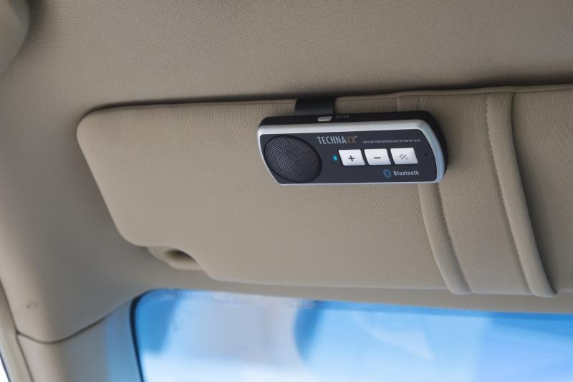
Technaxx Car Bluetooth Handsfree System BT-X22

Item number | 4614 |  | VE | 50
EAN | 4260358121055 |  | Pieces per pallet | 1000
Customs number | 85182100 |  | Layers per pallet | 5

Dimensions - item
Length(cm) | Width(cm) | Height(cm) | Weight(g)
11.8 | 4.5 | 1.8 | 50

Dimensions - item packaging
Length(cm) | Width(cm) | Height(cm) | Tare(g) | Weight(g) product + packaging
12.5 | 5 | 16.5 | 28 | 170

Dimensions - VE box (master box)
Length(cm) | Width(cm) | Height(cm) | Weight(g)
64 | 21.5 | 34 | 9500

Packaging - components
Rest of accessories (g) | Paper / cardboard (g) | Styrofoam (g) | Plastic hollow body(g) | Plastic. foils(g) | Composite materials (g)
0 | 28 | 0 | 14 | 0 | 0

Battery / accumulator informations
Battery needed | Battery included | Type of battery | Battery system(typus)
Yes | Yes | Akku | Li-Ion - Lithium-Ionen-Akku
Quantity(piece) | Weight per piece.(g) | Energy density(WH/Kg) | Power (WH)
1 | 18 | 0 | 0

Lithium battery
Energy content | Weight (Kg)
0.6 | 18

Further informations
Technaxx reseller portal

