Worksheet
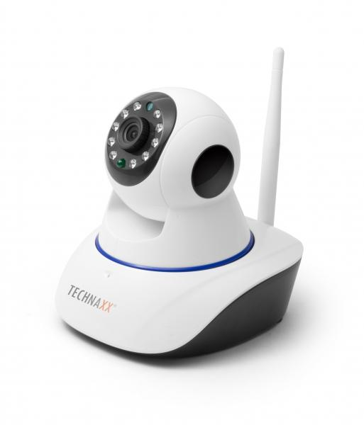
Technaxx IP-Security Camera HD 720P TX-23+

Item number | 4569 |  | VE | 20
EAN | 4260358122380 |  | Pieces per pallet | no information
Customs number | 85258900 |  | Layers per pallet | no information
UPC | 0
Dimensions - item
Length(inch) | Width(inch) | Height(inch) | Weight(oz)
4.53 | 5.12 | 5.31 | 9,88

Dimensions - item packaging
Length(inch) | Width(inch) | Height(inch) | Tare(oz) | Weight(oz) product + packaging
7.28 | 6.5 | 5.31 | 4,41 | 23,63

Dimensions - VE box (master box)
Length(inch) | Width(inch) | Height(inch) | Weight(oz)
27.17 | 15.35 | 13.78 | 529,11

Packaging - components
Rest of accessories (oz) | Paper / cardboard (oz) | Styrofoam (oz) | Plastic hollow body(oz) | Plastic. foils(oz) | Composite materials (oz)
5,19 | 2,68 | 0,00 | 0,00 | 1,69 | 0,00

Further informations
Technaxx reseller portal

