Worksheet
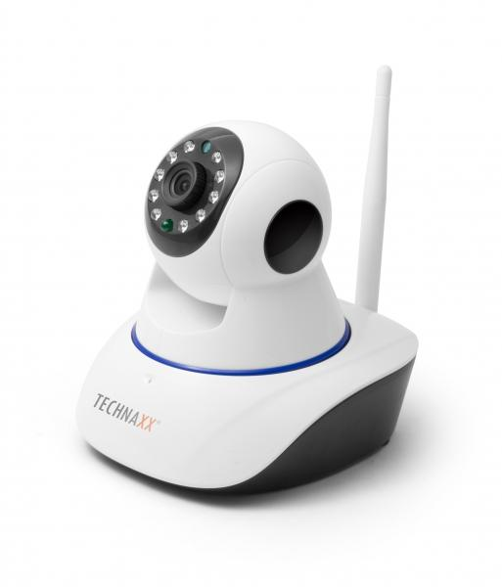
Technaxx IP-Security Camera HD 720P TX-23+

Item number | 4569 |  | VE | 20
EAN | 4260358122380 |  | Pieces per pallet | no information
Customs number | 85258900 |  | Layers per pallet | no information

Dimensions - item
Length(cm) | Width(cm) | Height(cm) | Weight(g)
11.5 | 13 | 13.5 | 280

Dimensions - item packaging
Length(cm) | Width(cm) | Height(cm) | Tare(g) | Weight(g) product + packaging
18.5 | 16.5 | 13.5 | 125 | 670

Dimensions - VE box (master box)
Length(cm) | Width(cm) | Height(cm) | Weight(g)
69 | 39 | 35 | 15000

Packaging - components
Rest of accessories (g) | Paper / cardboard (g) | Styrofoam (g) | Plastic hollow body(g) | Plastic. foils(g) | Composite materials (g)
147 | 76 | 0 | 0 | 48 | 0

Further informations
Technaxx reseller portal

