Worksheet
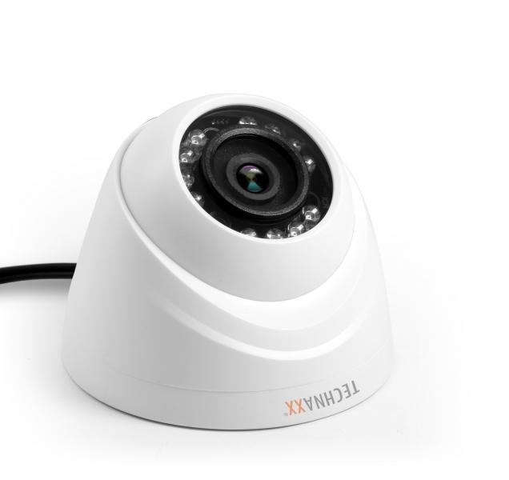
Dome Camera for Mini Security Kit PRO HD 720P TX-49

Item number | 4563 |  | VE | 20
EAN | 4260358121291 |  | Pieces per pallet | 300
Customs number | 85258900 |  | Layers per pallet | no information
UPC | 0
Dimensions - item
Length(inch) | Width(inch) | Height(inch) | Weight(oz)
3.35 | 3.35 | 2.72 | 3,53

Dimensions - item packaging
Length(inch) | Width(inch) | Height(inch) | Tare(oz) | Weight(oz) product + packaging
5.55 | 5.55 | 6.3 | 4,59 | 22,93

Dimensions - VE box (master box)
Length(inch) | Width(inch) | Height(inch) | Weight(oz)
28.78 | 11.93 | 13.9 | 656,10

Packaging - components
Rest of accessories (oz) | Paper / cardboard (oz) | Styrofoam (oz) | Plastic hollow body(oz) | Plastic. foils(oz) | Composite materials (oz)
0,00 | 0,00 | 0,00 | 0,00 | 0,00 | 0,00

Further informations
Technaxx reseller portal

