Worksheet
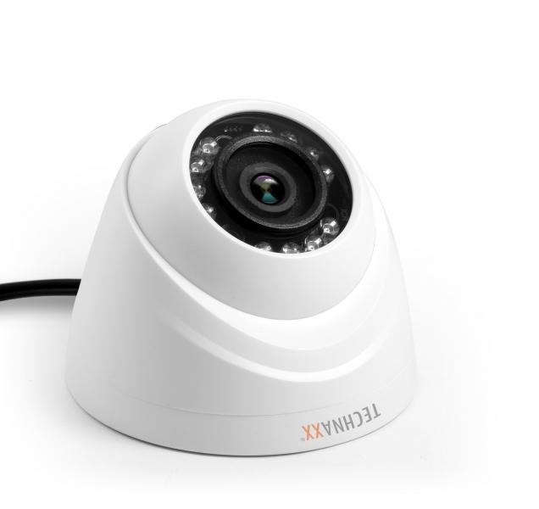
Dome Camera for Mini Security Kit PRO HD 720P TX-49

Item number | 4563 |  | VE | 20
EAN | 4260358121291 |  | Pieces per pallet | 300
Customs number | 85258900 |  | Layers per pallet | no information

Dimensions - item
Length(cm) | Width(cm) | Height(cm) | Weight(g)
8.5 | 8.5 | 6.9 | 100

Dimensions - item packaging
Length(cm) | Width(cm) | Height(cm) | Tare(g) | Weight(g) product + packaging
14.1 | 14.1 | 16 | 130 | 650

Dimensions - VE box (master box)
Length(cm) | Width(cm) | Height(cm) | Weight(g)
73.1 | 30.3 | 35.3 | 18600

Packaging - components
Rest of accessories (g) | Paper / cardboard (g) | Styrofoam (g) | Plastic hollow body(g) | Plastic. foils(g) | Composite materials (g)
0 | 0 | 0 | 0 | 0 | 0

Further informations
Technaxx reseller portal

