Worksheet
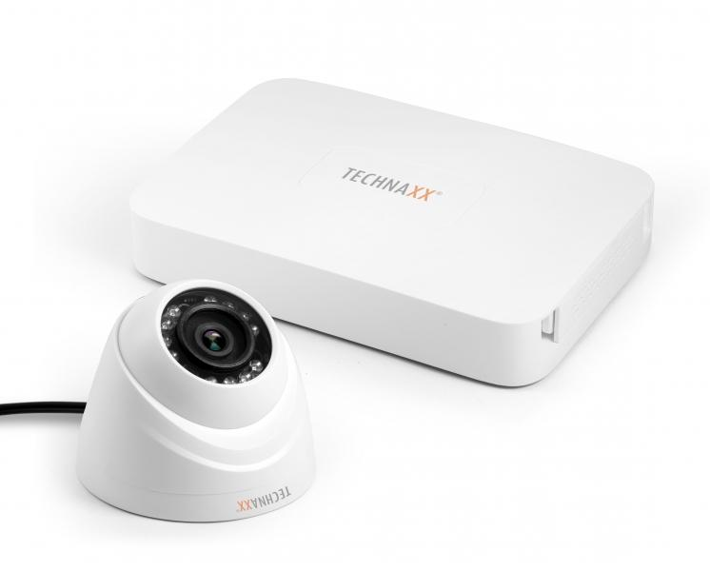
Technaxx Mini Security Kit PRO HD 720P TX-49

Item number | 4561 |  | VE | 8
EAN | 4260358121260 |  | Pieces per pallet | 128
Customs number | 85258900 |  | Layers per pallet | no information
UPC | 0
Dimensions - item
Length(inch) | Width(inch) | Height(inch) | Weight(oz)
7.6 | 5.43 | 1.18 | 12,70

Dimensions - item packaging
Length(inch) | Width(inch) | Height(inch) | Tare(oz) | Weight(oz) product + packaging
10 | 7.32 | 7.8 | 8,82 | 75,84

Dimensions - VE box (master box)
Length(inch) | Width(inch) | Height(inch) | Weight(oz)
20.83 | 15.47 | 16.81 | 599,66

Packaging - components
Rest of accessories (oz) | Paper / cardboard (oz) | Styrofoam (oz) | Plastic hollow body(oz) | Plastic. foils(oz) | Composite materials (oz)
0,00 | 0,00 | 0,00 | 0,00 | 0,00 | 0,00

Further informations
Technaxx reseller portal

