Worksheet
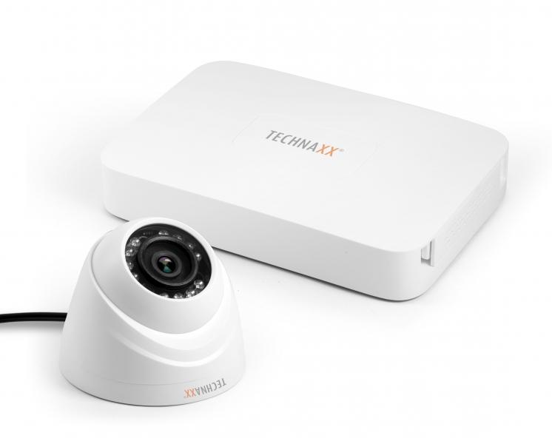
Technaxx Mini Security Kit PRO HD 720P TX-49

Item number | 4561 |  | VE | 8
EAN | 4260358121260 |  | Pieces per pallet | 128
Customs number | 85258900 |  | Layers per pallet | no information

Dimensions - item
Length(cm) | Width(cm) | Height(cm) | Weight(g)
19.3 | 13.8 | 3 | 360

Dimensions - item packaging
Length(cm) | Width(cm) | Height(cm) | Tare(g) | Weight(g) product + packaging
25.4 | 18.6 | 19.8 | 250 | 2150

Dimensions - VE box (master box)
Length(cm) | Width(cm) | Height(cm) | Weight(g)
52.9 | 39.3 | 42.7 | 17000

Packaging - components
Rest of accessories (g) | Paper / cardboard (g) | Styrofoam (g) | Plastic hollow body(g) | Plastic. foils(g) | Composite materials (g)
0 | 0 | 0 | 0 | 0 | 0

Further informations
Technaxx reseller portal

