Worksheet
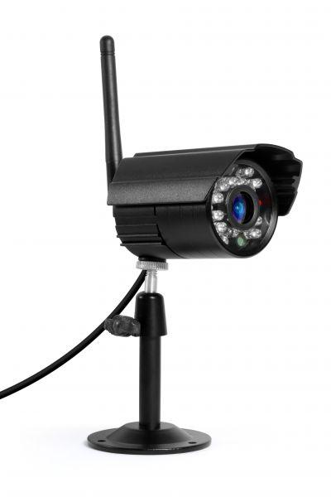
Additional camera for Easy Security Camera Set TX-28

Item number | 4453 |  | VE | 30
EAN | 4260101737977 |  | Pieces per pallet | no information
Customs number | 85258900 |  | Layers per pallet | no information
UPC | 0
Dimensions - item
Length(inch) | Width(inch) | Height(inch) | Weight(oz)
5.51 | 3.78 | 4.33 | 9,70

Dimensions - item packaging
Length(inch) | Width(inch) | Height(inch) | Tare(oz) | Weight(oz) product + packaging
5.51 | 3.74 | 4.33 | 2,33 | 15,17

Dimensions - VE box (master box)
Length(inch) | Width(inch) | Height(inch) | Weight(oz)
20.28 | 11.61 | 12.99 | 574,97

Packaging - components
Rest of accessories (oz) | Paper / cardboard (oz) | Styrofoam (oz) | Plastic hollow body(oz) | Plastic. foils(oz) | Composite materials (oz)
0,18 | 2,36 | 0,00 | 0,00 | 0,32 | 0,00

Further informations
Technaxx reseller portal

