Worksheet
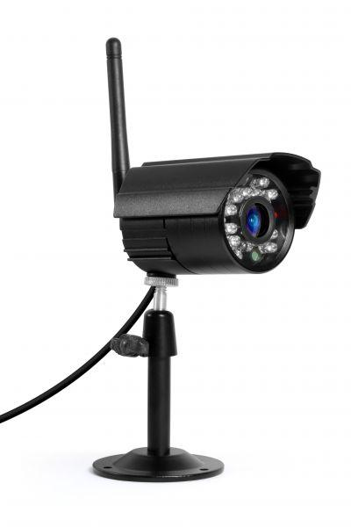
Additional camera for Easy Security Camera Set TX-28

Item number | 4453 |  | VE | 30
EAN | 4260101737977 |  | Pieces per pallet | no information
Customs number | 85258900 |  | Layers per pallet | no information

Dimensions - item
Length(cm) | Width(cm) | Height(cm) | Weight(g)
14 | 9.6 | 11 | 275

Dimensions - item packaging
Length(cm) | Width(cm) | Height(cm) | Tare(g) | Weight(g) product + packaging
14 | 9.5 | 11 | 66 | 430

Dimensions - VE box (master box)
Length(cm) | Width(cm) | Height(cm) | Weight(g)
51.5 | 29.5 | 33 | 16300

Packaging - components
Rest of accessories (g) | Paper / cardboard (g) | Styrofoam (g) | Plastic hollow body(g) | Plastic. foils(g) | Composite materials (g)
5 | 67 | 0 | 0 | 9 | 0

Further informations
Technaxx reseller portal

