Worksheet
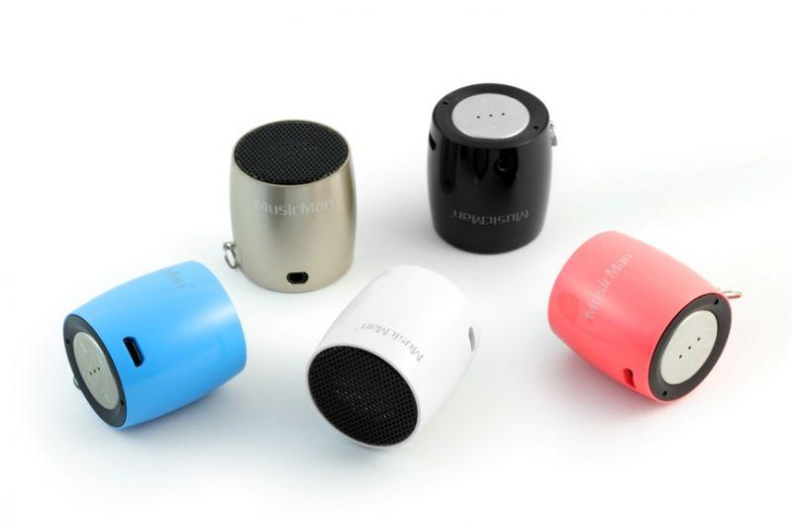
MusicMan NANO Bluetooth Soundstation BT-X7 black

Item number | 4352 |  | VE | 50
EAN | 4260101739155 |  | Pieces per pallet | no information
Customs number | 85198145900 |  | Layers per pallet | no information
UPC | 0
Dimensions - item
Length(inch) | Width(inch) | Height(inch) | Weight(oz)
1.3 | 1.3 | 1.42 | 1,41

Dimensions - item packaging
Length(inch) | Width(inch) | Height(inch) | Tare(oz) | Weight(oz) product + packaging
2.36 | 2.36 | 3.35 | 0,00 | 3,17

Dimensions - VE box (master box)
Length(inch) | Width(inch) | Height(inch) | Weight(oz)
12.99 | 12.8 | 7.87 | 176,37

Packaging - components
Rest of accessories (oz) | Paper / cardboard (oz) | Styrofoam (oz) | Plastic hollow body(oz) | Plastic. foils(oz) | Composite materials (oz)
0,00 | 0,00 | 0,00 | 0,00 | 0,00 | 0,00

Further informations
Technaxx reseller portal

