Worksheet
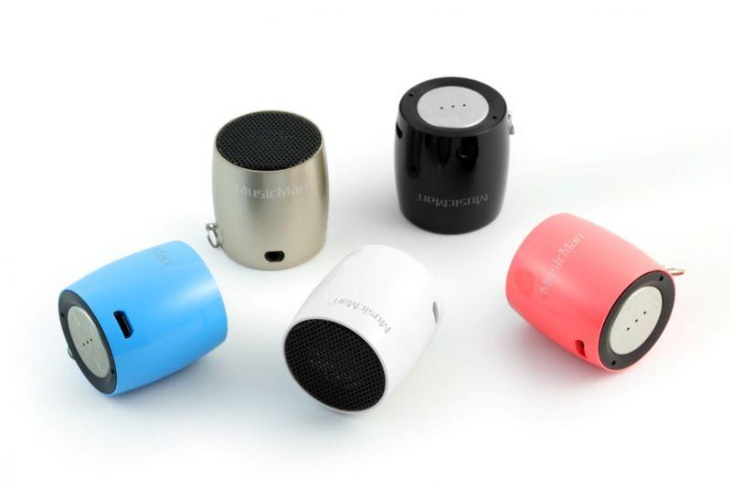
MusicMan NANO Bluetooth Soundstation BT-X7 black

Item number | 4352 |  | VE | 50
EAN | 4260101739155 |  | Pieces per pallet | no information
Customs number | 85198145900 |  | Layers per pallet | no information

Dimensions - item
Length(cm) | Width(cm) | Height(cm) | Weight(g)
3.3 | 3.3 | 3.6 | 40

Dimensions - item packaging
Length(cm) | Width(cm) | Height(cm) | Tare(g) | Weight(g) product + packaging
6 | 6 | 8.5 | 0 | 90

Dimensions - VE box (master box)
Length(cm) | Width(cm) | Height(cm) | Weight(g)
33 | 32.5 | 20 | 5000

Packaging - components
Rest of accessories (g) | Paper / cardboard (g) | Styrofoam (g) | Plastic hollow body(g) | Plastic. foils(g) | Composite materials (g)
0 | 0 | 0 | 0 | 0 | 0

Further informations
Technaxx reseller portal

