Worksheet
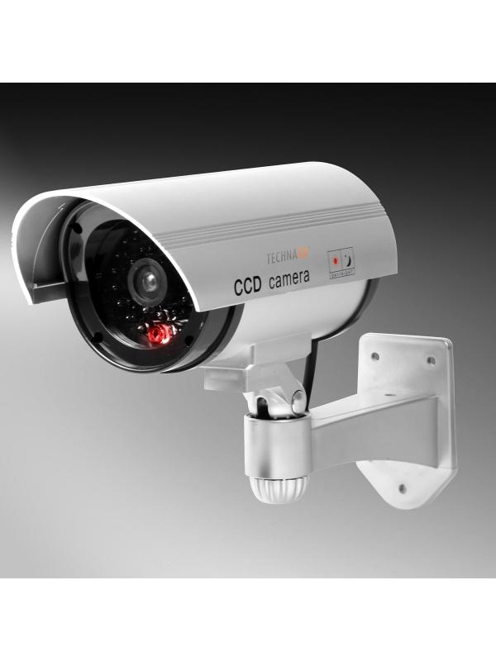
Technaxx CCD Security Camera Dummy TX-18

Item number | 4310 |  | VE | 30
EAN | 4260101737908 |  | Pieces per pallet | 600
Customs number | 39269097 |  | Layers per pallet | 4
UPC | 0
Dimensions - item
Length(inch) | Width(inch) | Height(inch) | Weight(oz)
9.45 | 5.71 | 7.09 | 8,47

Dimensions - item packaging
Length(inch) | Width(inch) | Height(inch) | Tare(oz) | Weight(oz) product + packaging
5.63 | 3.23 | 6.89 | 0,88 | 11,64

Dimensions - VE box (master box)
Length(inch) | Width(inch) | Height(inch) | Weight(oz)
17.72 | 14.37 | 18.11 | 370,38

Packaging - components
Rest of accessories (oz) | Paper / cardboard (oz) | Styrofoam (oz) | Plastic hollow body(oz) | Plastic. foils(oz) | Composite materials (oz)
0,00 | 0,00 | 0,00 | 0,00 | 0,00 | 0,00

Further informations
Technaxx reseller portal

