Worksheet
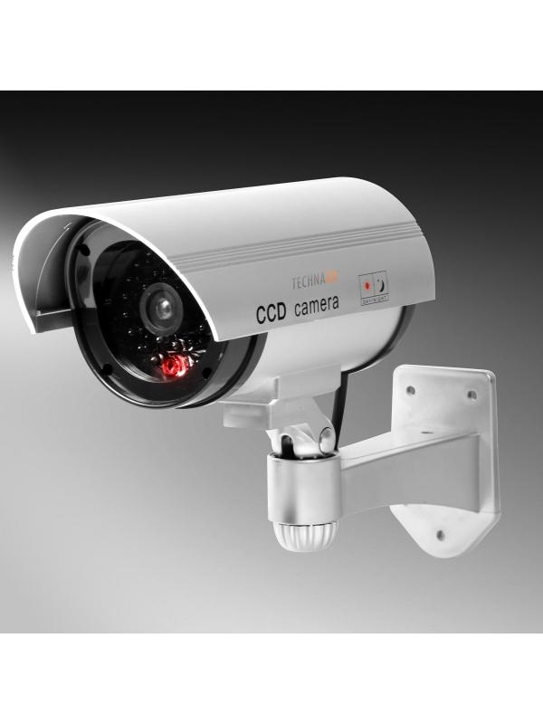
Technaxx CCD Security Camera Dummy TX-18

Item number | 4310 |  | VE | 30
EAN | 4260101737908 |  | Pieces per pallet | 600
Customs number | 39269097 |  | Layers per pallet | 4

Dimensions - item
Length(cm) | Width(cm) | Height(cm) | Weight(g)
24 | 14.5 | 18 | 240

Dimensions - item packaging
Length(cm) | Width(cm) | Height(cm) | Tare(g) | Weight(g) product + packaging
14.3 | 8.2 | 17.5 | 25 | 330

Dimensions - VE box (master box)
Length(cm) | Width(cm) | Height(cm) | Weight(g)
45 | 36.5 | 46 | 10500

Packaging - components
Rest of accessories (g) | Paper / cardboard (g) | Styrofoam (g) | Plastic hollow body(g) | Plastic. foils(g) | Composite materials (g)
0 | 0 | 0 | 0 | 0 | 0

Further informations
Technaxx reseller portal

