Worksheet
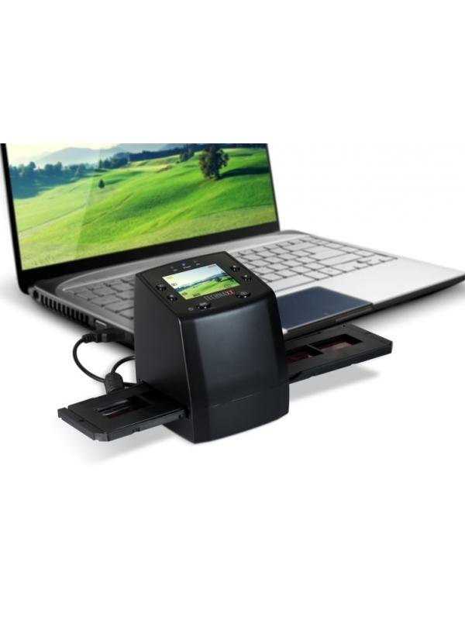
Technaxx DigiScan DS-02

Item number | 4166 |  | VE | 10
EAN | 4260101736437 |  | Pieces per pallet | 240
Customs number | 84716070 |  | Layers per pallet | 6
UPC | 0
Dimensions - item
Length(inch) | Width(inch) | Height(inch) | Weight(oz)
3.46 | 3.39 | 4.33 | 10,58

Dimensions - item packaging
Length(inch) | Width(inch) | Height(inch) | Tare(oz) | Weight(oz) product + packaging
6.69 | 4.13 | 10.63 | 4,09 | 26,10

Dimensions - VE box (master box)
Length(inch) | Width(inch) | Height(inch) | Weight(oz)
21.46 | 14.17 | 11.22 | 352,74

Packaging - components
Rest of accessories (oz) | Paper / cardboard (oz) | Styrofoam (oz) | Plastic hollow body(oz) | Plastic. foils(oz) | Composite materials (oz)
9,52 | 1,76 | 0,85 | 0,00 | 0,35 | 0,00

Further informations
Technaxx reseller portal

