Worksheet
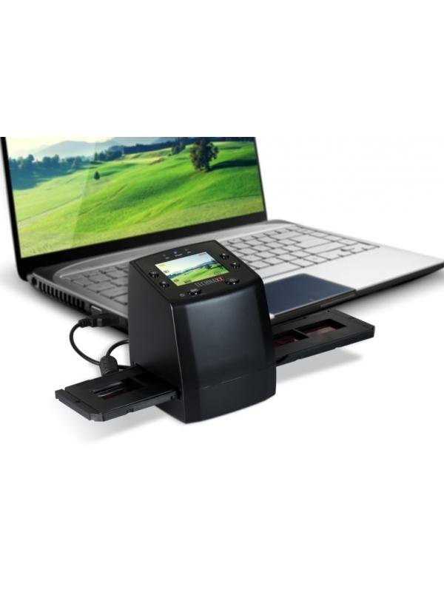
Technaxx DigiScan DS-02

Item number | 4166 |  | VE | 10
EAN | 4260101736437 |  | Pieces per pallet | 240
Customs number | 84716070 |  | Layers per pallet | 6

Dimensions - item
Length(cm) | Width(cm) | Height(cm) | Weight(g)
8.8 | 8.6 | 11 | 300

Dimensions - item packaging
Length(cm) | Width(cm) | Height(cm) | Tare(g) | Weight(g) product + packaging
17 | 10.5 | 27 | 116 | 740

Dimensions - VE box (master box)
Length(cm) | Width(cm) | Height(cm) | Weight(g)
54.5 | 36 | 28.5 | 10000

Packaging - components
Rest of accessories (g) | Paper / cardboard (g) | Styrofoam (g) | Plastic hollow body(g) | Plastic. foils(g) | Composite materials (g)
270 | 50 | 24 | 0 | 10 | 0

Further informations
Technaxx reseller portal

