Worksheet
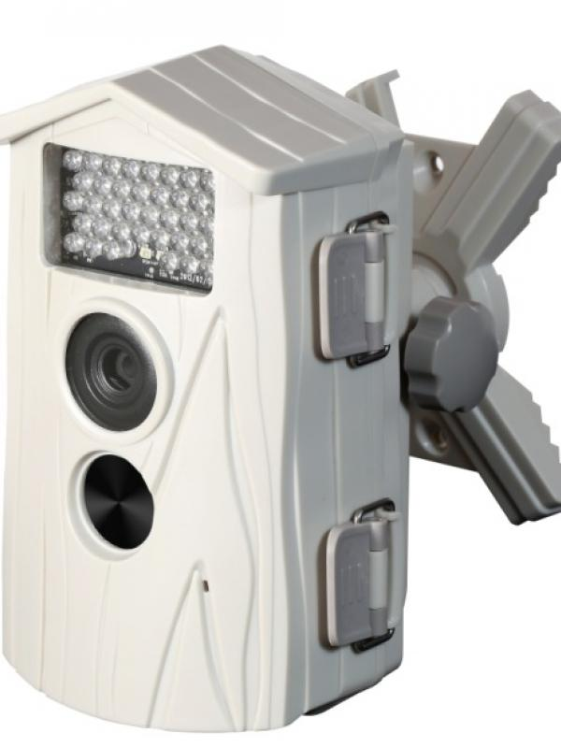
Technaxx Nature Cam TX-09 white

Item number | 3982 |  | VE | 4
EAN | 4260101736383 |  | Pieces per pallet | 180
Customs number | 85258100 |  | Layers per pallet | no information
UPC | 0
Dimensions - item
Length(inch) | Width(inch) | Height(inch) | Weight(oz)
4.33 | 3.35 | 6.3 | 12,70

Dimensions - item packaging
Length(inch) | Width(inch) | Height(inch) | Tare(oz) | Weight(oz) product + packaging
7.09 | 4.53 | 12.01 | 0,00 | 38,45

Dimensions - VE box (master box)
Length(inch) | Width(inch) | Height(inch) | Weight(oz)
16.14 | 10.04 | 12.4 | 0,00

Packaging - components
Rest of accessories (oz) | Paper / cardboard (oz) | Styrofoam (oz) | Plastic hollow body(oz) | Plastic. foils(oz) | Composite materials (oz)
0,00 | 0,00 | 0,00 | 0,00 | 0,00 | 0,00

Further informations
Technaxx reseller portal

