Worksheet
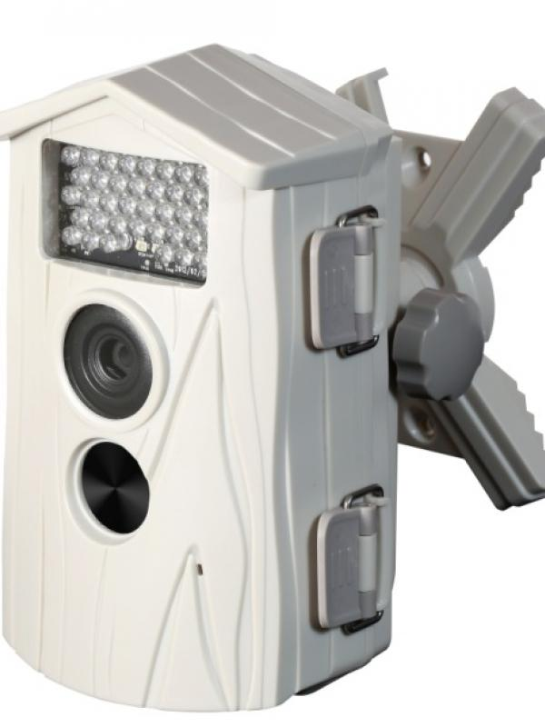
Technaxx Nature Cam TX-09 white

Item number | 3982 |  | VE | 4
EAN | 4260101736383 |  | Pieces per pallet | 180
Customs number | 85258100 |  | Layers per pallet | no information

Dimensions - item
Length(cm) | Width(cm) | Height(cm) | Weight(g)
11 | 8.5 | 16 | 360

Dimensions - item packaging
Length(cm) | Width(cm) | Height(cm) | Tare(g) | Weight(g) product + packaging
18 | 11.5 | 30.5 | 0 | 1090

Dimensions - VE box (master box)
Length(cm) | Width(cm) | Height(cm) | Weight(g)
41 | 25.5 | 31.5 | 0

Packaging - components
Rest of accessories (g) | Paper / cardboard (g) | Styrofoam (g) | Plastic hollow body(g) | Plastic. foils(g) | Composite materials (g)
0 | 0 | 0 | 0 | 0 | 0

Further informations
Technaxx reseller portal

