Worksheet
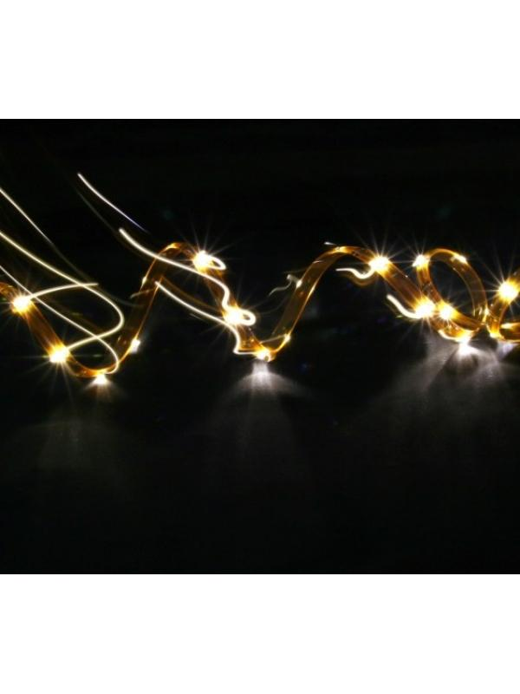
Technaxx LED Stripe Set-3528 Warm White Waterproof

Item number | 3631 |  | VE | 35
EAN | 4260101737106 |  | Pieces per pallet | no information
Customs number | 94054039900 |  | Layers per pallet | no information
UPC | 0
Dimensions - item
Length(inch) | Width(inch) | Height(inch) | Weight(oz)
7.09 | 0.39 | 7.09 | 8,82

Dimensions - item packaging
Length(inch) | Width(inch) | Height(inch) | Tare(oz) | Weight(oz) product + packaging
8.66 | 1.5 | 12.2 | 0,00 | 11,29

Dimensions - VE box (master box)
Length(inch) | Width(inch) | Height(inch) | Weight(oz)
24.02 | 18.5 | 11.02 | 529,11

Packaging - components
Rest of accessories (oz) | Paper / cardboard (oz) | Styrofoam (oz) | Plastic hollow body(oz) | Plastic. foils(oz) | Composite materials (oz)
0,00 | 0,00 | 0,00 | 0,00 | 0,00 | 0,00

Further informations
Technaxx reseller portal

