Worksheet
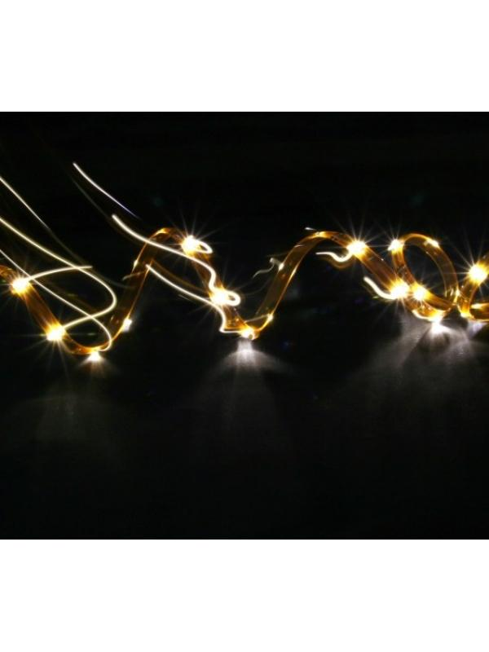
Technaxx LED Stripe Set-3528 Warm White Waterproof

Item number | 3631 |  | VE | 35
EAN | 4260101737106 |  | Pieces per pallet | no information
Customs number | 94054039900 |  | Layers per pallet | no information

Dimensions - item
Length(cm) | Width(cm) | Height(cm) | Weight(g)
18 | 1 | 18 | 250

Dimensions - item packaging
Length(cm) | Width(cm) | Height(cm) | Tare(g) | Weight(g) product + packaging
22 | 3.8 | 31 | 0 | 320

Dimensions - VE box (master box)
Length(cm) | Width(cm) | Height(cm) | Weight(g)
61 | 47 | 28 | 15000

Packaging - components
Rest of accessories (g) | Paper / cardboard (g) | Styrofoam (g) | Plastic hollow body(g) | Plastic. foils(g) | Composite materials (g)
0 | 0 | 0 | 0 | 0 | 0

Further informations
Technaxx reseller portal

