Worksheet
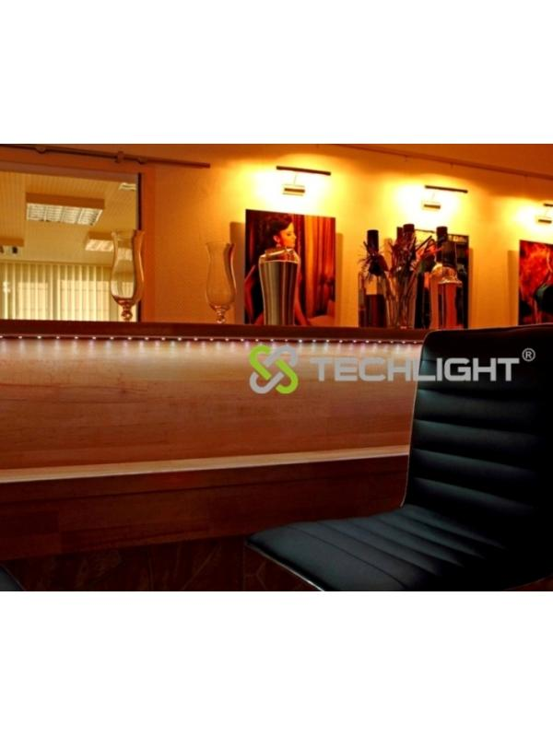
Technaxx LED Stripe RGB-Set-5050 Waterproof Multicolour

Item number | 3629 |  | VE | 30
EAN | 4260101737083 |  | Pieces per pallet | no information
Customs number | 94054039900 |  | Layers per pallet | no information

Dimensions - item
Length(cm) | Width(cm) | Height(cm) | Weight(g)
18 | 1.5 | 18 | 190

Dimensions - item packaging
Length(cm) | Width(cm) | Height(cm) | Tare(g) | Weight(g) product + packaging
23.5 | 5 | 23 | 0 | 490

Dimensions - VE box (master box)
Length(cm) | Width(cm) | Height(cm) | Weight(g)
61 | 47 | 28 | 0

Packaging - components
Rest of accessories (g) | Paper / cardboard (g) | Styrofoam (g) | Plastic hollow body(g) | Plastic. foils(g) | Composite materials (g)
0 | 0 | 0 | 0 | 0 | 0

Further informations
Technaxx reseller portal

