Worksheet
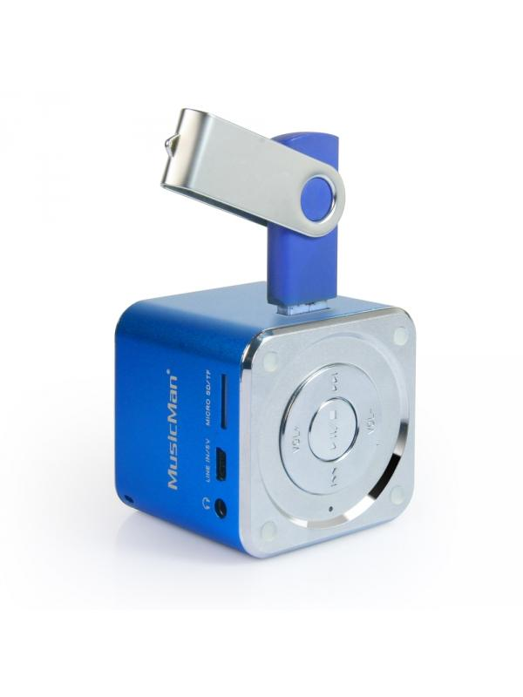
Mini MusicMan Soundstation Blue

Item number | 3530 |  | VE | 90
EAN | 4260101736178 |  | Pieces per pallet | 1800
Customs number | 85198900 |  | Layers per pallet | 4
UPC | 0
Dimensions - item
Length(inch) | Width(inch) | Height(inch) | Weight(oz)
1.97 | 1.97 | 1.97 | 3,88

Dimensions - item packaging
Length(inch) | Width(inch) | Height(inch) | Tare(oz) | Weight(oz) product + packaging
3.15 | 2.64 | 3.94 | 0,00 | 6,00

Dimensions - VE box (master box)
Length(inch) | Width(inch) | Height(inch) | Weight(oz)
17.52 | 16.93 | 12.8 | 617,29

Packaging - components
Rest of accessories (oz) | Paper / cardboard (oz) | Styrofoam (oz) | Plastic hollow body(oz) | Plastic. foils(oz) | Composite materials (oz)
0,00 | 0,00 | 0,00 | 0,00 | 0,00 | 0,00

Further informations
Technaxx reseller portal

