Worksheet
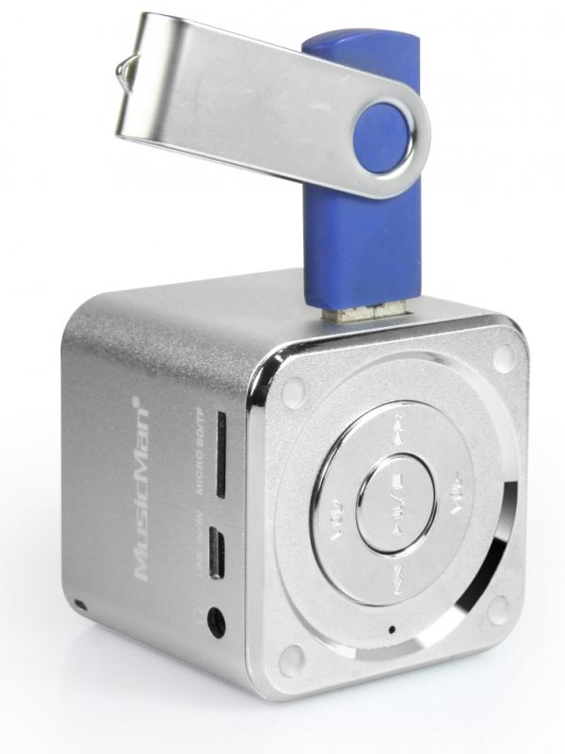
Mini MusicMan Soundstation Silver

Item number | 3528 |  | VE | 90
EAN | 4260101736185 |  | Pieces per pallet | 1800
Customs number | 85198900 |  | Layers per pallet | 4
UPC | 0
Dimensions - item
Length(inch) | Width(inch) | Height(inch) | Weight(oz)
1.97 | 1.97 | 1.97 | 3,88

Dimensions - item packaging
Length(inch) | Width(inch) | Height(inch) | Tare(oz) | Weight(oz) product + packaging
3.15 | 2.64 | 3.94 | 0,00 | 6,00

Dimensions - VE box (master box)
Length(inch) | Width(inch) | Height(inch) | Weight(oz)
17.52 | 16.93 | 12.8 | 617,29

Packaging - components
Rest of accessories (oz) | Paper / cardboard (oz) | Styrofoam (oz) | Plastic hollow body(oz) | Plastic. foils(oz) | Composite materials (oz)
0,92 | 0,28 | 0,00 | 0,35 | 0,00 | 0,00

Battery / accumulator informations
Battery needed | Battery included | Type of battery | Battery system(typus)
No | Yes | Akku | Li-Ion - Lithium-Ionen-Akku
Quantity(piece) | Weight per piece.(oz) | Energy density(WH/Kg) | Power (WH)
1 | 0,63 | 0 | 0

Lithium battery
Energy content | Weight (oz)
0.6 | 0,63

Further informations
Technaxx reseller portal

