Worksheet
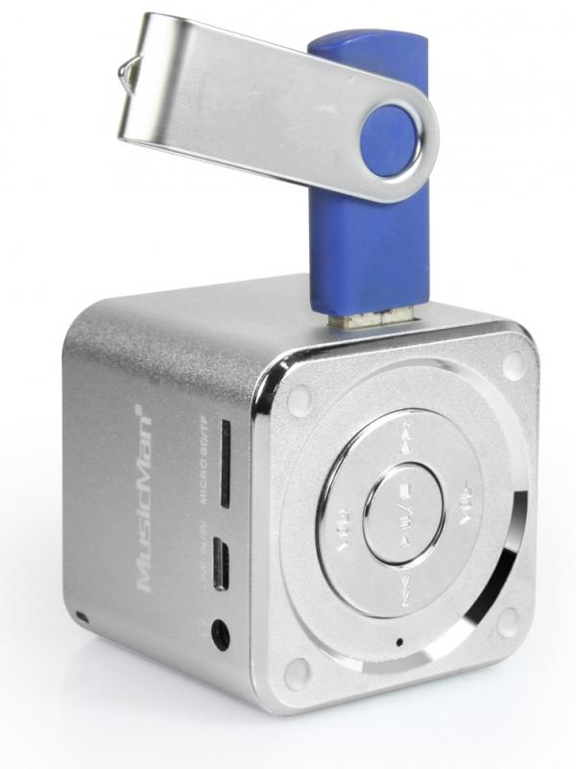
Mini MusicMan Soundstation Silver

Item number | 3528 |  | VE | 90
EAN | 4260101736185 |  | Pieces per pallet | 1800
Customs number | 85198900 |  | Layers per pallet | 4

Dimensions - item
Length(cm) | Width(cm) | Height(cm) | Weight(g)
5 | 5 | 5 | 110

Dimensions - item packaging
Length(cm) | Width(cm) | Height(cm) | Tare(g) | Weight(g) product + packaging
8 | 6.7 | 10 | 0 | 170

Dimensions - VE box (master box)
Length(cm) | Width(cm) | Height(cm) | Weight(g)
44.5 | 43 | 32.5 | 17500

Packaging - components
Rest of accessories (g) | Paper / cardboard (g) | Styrofoam (g) | Plastic hollow body(g) | Plastic. foils(g) | Composite materials (g)
26 | 8 | 0 | 10 | 0 | 0

Battery / accumulator informations
Battery needed | Battery included | Type of battery | Battery system(typus)
No | Yes | Akku | Li-Ion - Lithium-Ionen-Akku
Quantity(piece) | Weight per piece.(g) | Energy density(WH/Kg) | Power (WH)
1 | 18 | 0 | 0

Lithium battery
Energy content | Weight (Kg)
0.6 | 18

Further informations
Technaxx reseller portal

