Worksheet
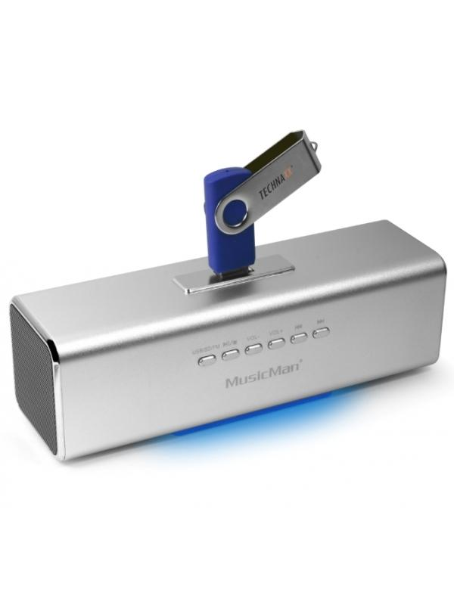
MusicMan MA Soundstation Silver

Item number | 3431 |  | VE | 60
EAN | 4260101736239 |  | Pieces per pallet | 1500
Customs number | 85271300 |  | Layers per pallet | 5

Dimensions - item
Length(cm) | Width(cm) | Height(cm) | Weight(g)
16.6 | 5 | 4.9 | 200

Dimensions - item packaging
Length(cm) | Width(cm) | Height(cm) | Tare(g) | Weight(g) product + packaging
16.7 | 5.2 | 7.1 | 0 | 270

Dimensions - VE box (master box)
Length(cm) | Width(cm) | Height(cm) | Weight(g)
44.8 | 34.5 | 30 | 17200

Packaging - components
Rest of accessories (g) | Paper / cardboard (g) | Styrofoam (g) | Plastic hollow body(g) | Plastic. foils(g) | Composite materials (g)
0 | 0 | 0 | 0 | 0 | 0

Further informations
Technaxx reseller portal

