Worksheet
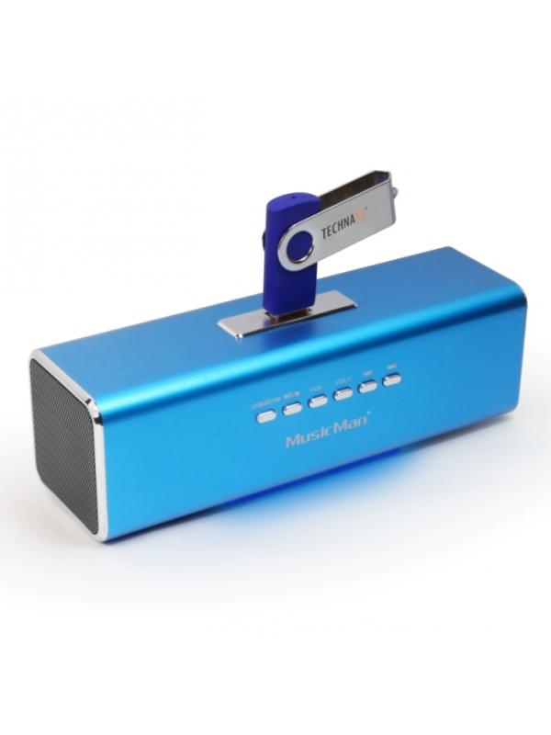
MusicMan MA Soundstation Blue

Item number | 3430 |  | VE | 60
EAN | 4260101736222 |  | Pieces per pallet | 1500
Customs number | 85271300 |  | Layers per pallet | 5
UPC | 0
Dimensions - item
Length(inch) | Width(inch) | Height(inch) | Weight(oz)
6.54 | 1.97 | 1.93 | 7,05

Dimensions - item packaging
Length(inch) | Width(inch) | Height(inch) | Tare(oz) | Weight(oz) product + packaging
6.57 | 2.05 | 2.8 | 0,00 | 9,52

Dimensions - VE box (master box)
Length(inch) | Width(inch) | Height(inch) | Weight(oz)
17.64 | 13.58 | 11.81 | 606,71

Packaging - components
Rest of accessories (oz) | Paper / cardboard (oz) | Styrofoam (oz) | Plastic hollow body(oz) | Plastic. foils(oz) | Composite materials (oz)
0,00 | 0,00 | 0,00 | 0,00 | 0,00 | 0,00

Further informations
Technaxx reseller portal

