Worksheet
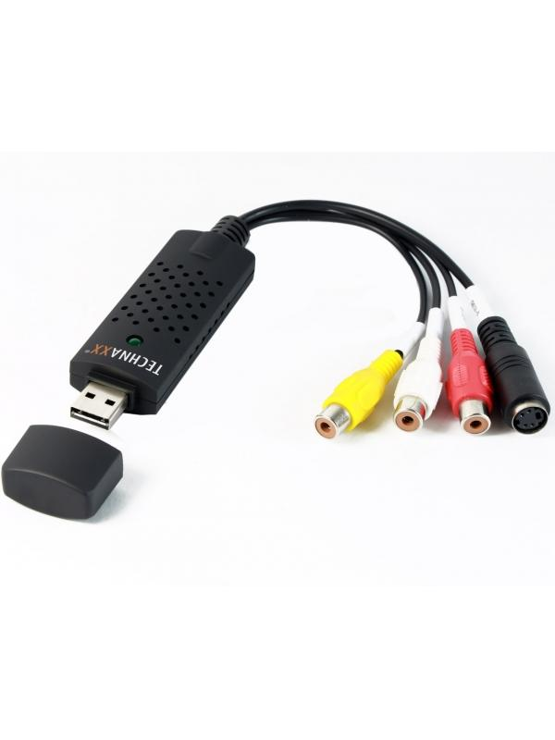
Technaxx USB 2.0 Video Grabber TX-20

Item number | 1604 |  | VE | 50
EAN | 4260101738028 |  | Pieces per pallet | 1250
Customs number | 84718000 |  | Layers per pallet | no information
UPC | 0
Dimensions - item
Length(inch) | Width(inch) | Height(inch) | Weight(oz)
1.18 | 0.39 | 3.54 | 1,41

Dimensions - item packaging
Length(inch) | Width(inch) | Height(inch) | Tare(oz) | Weight(oz) product + packaging
6.85 | 0.51 | 7.68 | 1,13 | 4,94

Dimensions - VE box (master box)
Length(inch) | Width(inch) | Height(inch) | Weight(oz)
19.49 | 12.6 | 14.57 | 315,70

Packaging - components
Rest of accessories (oz) | Paper / cardboard (oz) | Styrofoam (oz) | Plastic hollow body(oz) | Plastic. foils(oz) | Composite materials (oz)
0,63 | 1,55 | 0,00 | 1,13 | 0,00 | 0,00

Further informations
Technaxx reseller portal

