Worksheet
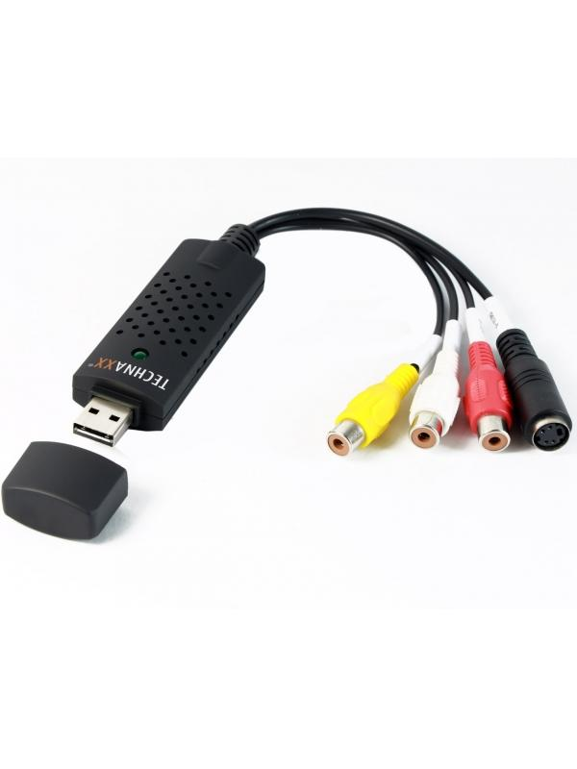
Technaxx USB 2.0 Video Grabber TX-20

Item number | 1604 |  | VE | 50
EAN | 4260101738028 |  | Pieces per pallet | 1250
Customs number | 84718000 |  | Layers per pallet | no information

Dimensions - item
Length(cm) | Width(cm) | Height(cm) | Weight(g)
3 | 1 | 9 | 40

Dimensions - item packaging
Length(cm) | Width(cm) | Height(cm) | Tare(g) | Weight(g) product + packaging
17.4 | 1.3 | 19.5 | 32 | 140

Dimensions - VE box (master box)
Length(cm) | Width(cm) | Height(cm) | Weight(g)
49.5 | 32 | 37 | 8950

Packaging - components
Rest of accessories (g) | Paper / cardboard (g) | Styrofoam (g) | Plastic hollow body(g) | Plastic. foils(g) | Composite materials (g)
18 | 44 | 0 | 32 | 0 | 0

Further informations
Technaxx reseller portal

